Certification
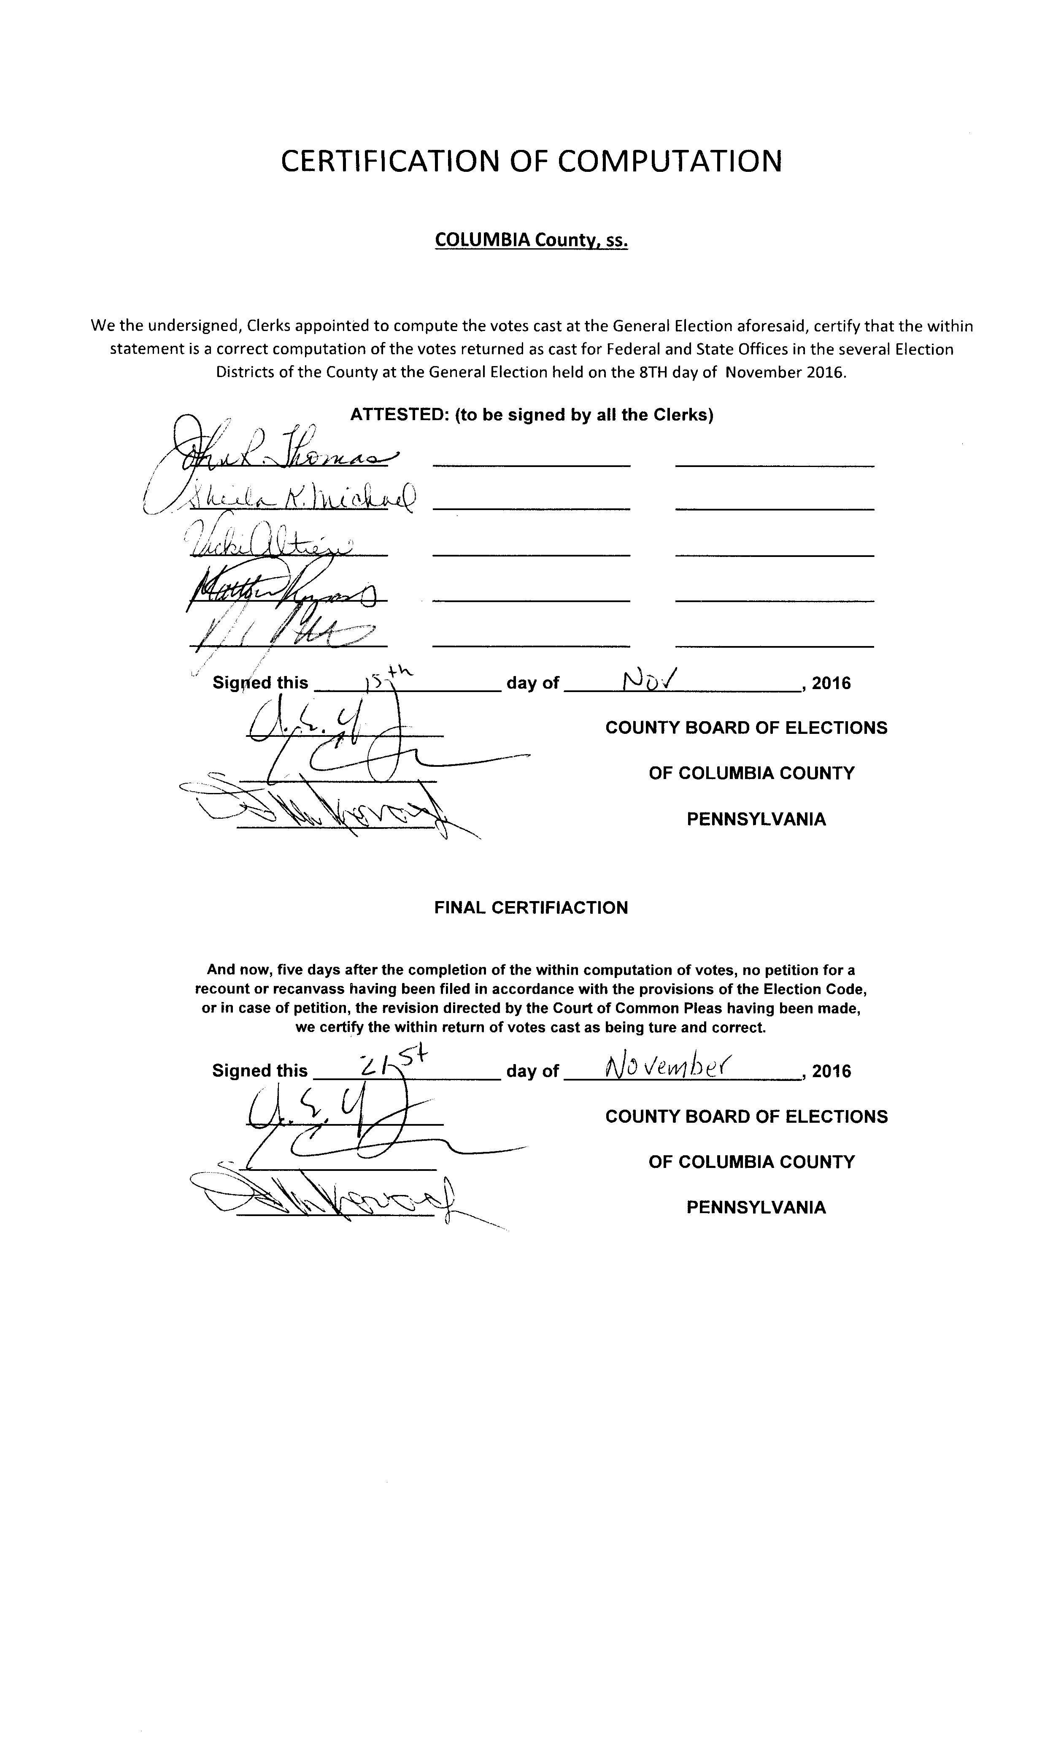

CERTIFICATION OF COMPUTATION

COLUMBIA County, ss.

We the undersigned, Clerks appointed to compute the votes cast at the General Election aforesaid, certify that the within statement is a correct computation of the votes returned as cast for Federal and State Offices in the several Election Districts of the County at the General Election held on the 8TH day of November 2016.

ATTESTED: (to be signed by all the Clerks)

____________________ ____________________ ____________________

____________________ ____________________ ____________________

____________________ ____________________ ____________________

____________________ ____________________ ____________________

____________________ ____________________ ____________________

Signed this ___________________ day of ________________________, 2016

____________________ COUNTY BOARD OF ELECTIONS

____________________ OF COLUMBIA COUNTY

____________________ PENNSYLVANIA

FINAL CERTIFIACTION

And now, five days after the completion of the within computation of votes, no petition for a recount or recanvass having been filed in accordance with the provisions of the Election Code, or in case of petition, the revision directed by the Court of Common Pleas having been made, we certify the within return of votes cast as being ture and correct.

Signed this ___________________ day of ________________________, 2016

____________________ COUNTY BOARD OF ELECTIONS

____________________ OF COLUMBIA COUNTY

____________________ PENNSYLVANIA

